Specification
 |  |  |  |  |  |  |  |  |  |  |  |  |  |  |  |  |  | 748
ARTICLE | IMAGE 1 | IMAGE 2 | IMAGE 3 | FULL ARTICLE | COLOR | COLOR DESCRIPTION | PRODUCT NAME | SUPPL. CATEGORY | SUPPL. DESCRIPTION | COMPOSITION 1 | PARENT GROUP | GENDER | BRAND | MADE IN | WHS | RRP | SIZE COUNT | QTY | UN | XXS | XS | S | M | L | XL | XXL | 1 | 2 | 3 | 4 | 5 | 35 | 36 | 37 | 38 | 39 | 40 | 41 | 42 | 44 | 46 | 48 | 50 | 52 | 54 | 56 | 58
221D1A17781027 | 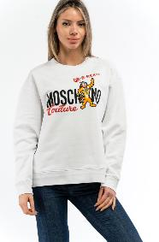 | 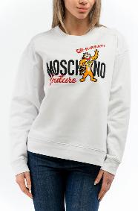 | 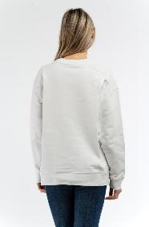 | 221D1A177810271001 | 1001 | MULTI WHITE | SWEATSHIRT | MOSCHINO SPECIAL EDITION | SWEATSHIRT | 100% COTTON | ADULT | FEMALE | MOSCHINO | ITALY | €160.00 | €400.00 | 5 | 256 |  |  |  |  |  |  |  |  |  |  |  |  |  |  |  |  | 40 |  | 54 |  | 54 | 61 | 47
222DA17035428 | 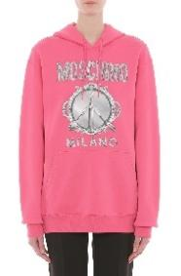 |  |  | 222DA170354281115 | 1115 | MULTI RED | SWEATSHIRT | MOSCHINO | SWEATSHIRT | 100% COTTON | ADULT | FEMALE | MOSCHINO | PORTUGAL | €190.00 | €475.00 | 5 | 12 |  |  |  |  |  |  |  |  |  |  |  |  |  |  |  |  | 1 |  | 2 |  | 4 | 4 | 1
222EV17069528 | 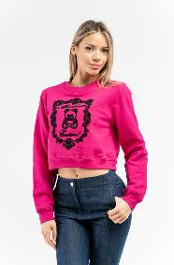 | 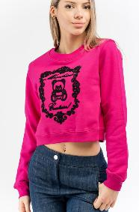 | 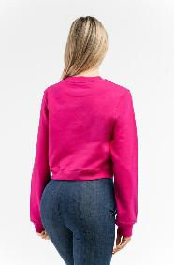 | 222EV170695281244 | 1244 | MULTI FUXIA | SWEATSHIRT | MOSCHINO PRECOLL. | SWEATSHIRT | 100% COTTON | ADULT | FEMALE | MOSCHINO | PORTUGAL | €167.00 | €418.00 | 5 | 24 |  |  |  |  |  |  |  |  |  |  |  |  |  |  |  |  | 3 |  | 11 |  |  | 4 | 4 | 2
221EV17190528 | 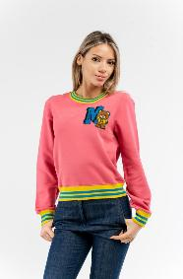 | 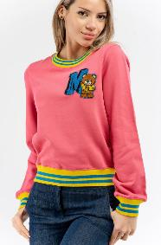 | 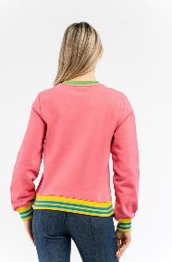 | 221EV171905281206 | 1206 | MULTI FUXIA | SWEATSHIRT | MOSCHINO PRECOLL. | FELPA | 100% COTTON | ADULT | FEMALE | MOSCHINO | PORTUGAL | €149.00 | €373.00 | 4 | 15 |  |  |  |  |  |  |  |  |  |  |  |  |  |  |  |  | 4 |  | 5 |  | 5 | 1
221EV17200528 |  | 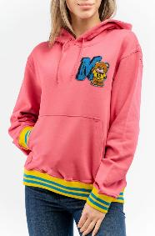 | 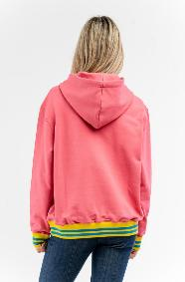 | 221EV172005281206 | 1206 | MULTI FUXIA | SWEATSHIRT | MOSCHINO PRECOLL. | FELPA | 100% COTTON | ADULT | FEMALE | MOSCHINO | PORTUGAL | €210.00 | €525.00 | 4 | 21 |  |  |  |  |  |  |  |  |  |  |  |  |  |  |  |  | 3 |  | 8 |  | 7 | 3
222DA17055428 | 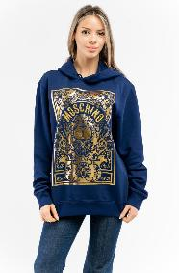 |  | 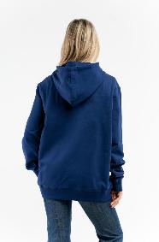 | 222DA170554284287 | 4287 | MULTI BLUE | SWEATSHIRT | MOSCHINO | SWEATSHIRT | 100% COTTON | ADULT | FEMALE | MOSCHINO | PORTUGAL | €210.00 | €525.00 | 4 | 30 |  |  |  |  |  |  |  |  |  |  |  |  |  |  |  |  | 11 |  | 1 |  | 10 | 8
222DA17115427 |  |  | 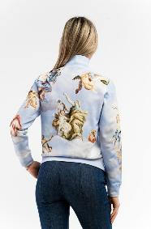 | 222DA171154271291 | 1291 | MULTI LIGHT GREY | SWEATSHIRT | MOSCHINO | SWEATSHIRT | 100% COTTON | ADULT | FEMALE | MOSCHINO | ITALY | €318.00 | €795.00 | 4 | 6 |  |  |  |  |  |  |  |  |  |  |  |  |  |  | 1 |  | 2 |  | 1 |  |  | 2
222V6A17104630 | 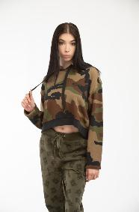 | 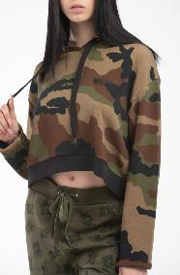 | 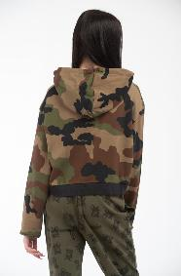 | 222V6A171046301430 | 1430 | ARMY | SWEATSHIRT | SWEATSHIRT | FELPA CROPPED CAPPUCCIO | MASHINE WASH COLD: 30° | DONT'BLEACH: NO BLEACHING | COOL IRON: MAX 110° | NO DRY CLEAN: DO NOT DRY CLEAN | DO NOT TUMBLE DRY: NO DRUM | 97% COTTON 3% ELASTANE | ADULT | FEMALE | MOSCHINO | BULGARIA | €103.50 | €258.75 | 4 | 24 |  |  | 4 | 9 | 3 | 8
232V6A17064414 | 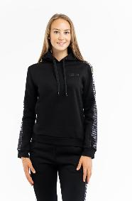 | 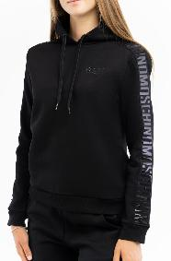 | 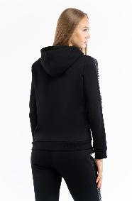 | 232V6A170644140555 | 0555 | BLACK | SWEATSHIRT | SWEATSHIRT | MOSCHINO UNDERWEAR DONNA | 53% COTTON 47% MODAL | ADULT | FEMALE | MOSCHINO | BULGARIA | €110.00 | €286.00 | 1 | 1 |  |  |  | 1
222V6A17024623 | 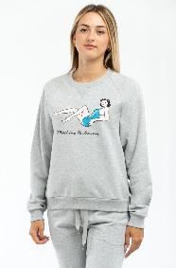 |  | 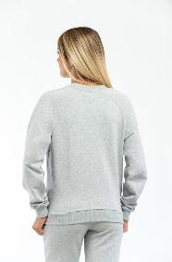 | 222V6A170246230489 | 0489 | GREY | SWEATSHIRT | SWEATSHIRT | SWEATSHIRT | KNITTED | MASHINE WASH COLD: 30° | DONT'BLEACH: NO BLEACHING | COOL IRON: MAX 110° | NO DRY CLEAN: DO NOT DRY CLEAN | DO NOT TUMBLE DRY: NO DRUM | 95% COTTON 5% ELASTANE | ADULT | FEMALE | MOSCHINO | BULGARIA | €78.00 | €195.00 | 3 | 3 |  |  | 1 | 1 | 1
222V6A17024623 | 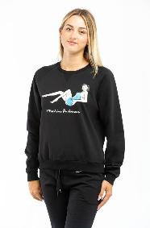 | 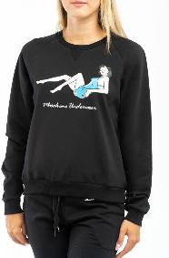 | 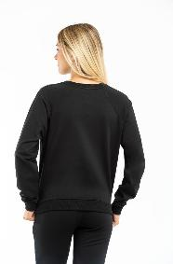 | 222V6A170246230555 | 0555 | BLACK | SWEATSHIRT | SWEATSHIRT | SWEATSHIRT | KNITTED | MASHINE WASH COLD: 30° | DONT'BLEACH: NO BLEACHING | COOL IRON: MAX 110° | NO DRY CLEAN: DO NOT DRY CLEAN | DO NOT TUMBLE DRY: NO DRUM | 95% COTTON 5% ELASTANE | ADULT | FEMALE | MOSCHINO | BULGARIA | €78.00 | €195.00 | 3 | 8 |  |  | 2 | 4 | 2
231V6A17064421 | 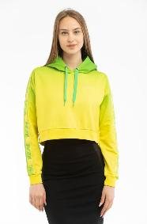 | 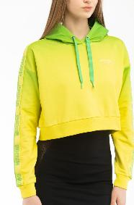 | 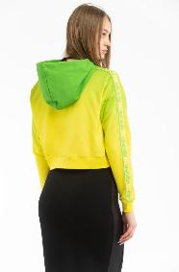 | 231V6A170644211396 | 1396 | MULTI GREEN | SWEATSHIRT | SWEATSHIRT | MOSCHINO UNDERWEAR WOMAN | 95% COTTON 5% ELASTANE | ADULT | FEMALE | MOSCHINO | GREECE | €132.00 | €343.20 | 3 | 4 |  |  | 2 |  | 1 | 1
222DA17085428 |  |  |  | 222DA170854282555 | 2555 | MULTI BLACK | SWEATSHIRT | MOSCHINO | SWEATSHIRT | 100% COTTON | ADULT | FEMALE | MOSCHINO | PORTUGAL | €210.00 | €525.00 | 2 | 4 |  |  |  |  |  |  |  |  |  |  |  |  |  |  |  |  | 2 |  | 2
222V6A17044611 | 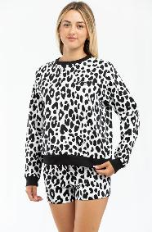 | 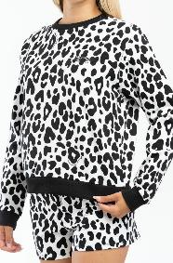 | 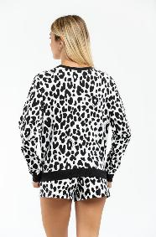 | 222V6A170446111555 | 1555 | BLACK FANTASY | SWEATSHIRT | SWEATSHIRT | SWEATSHIRT | KNITTED | MASHINE WASH COLD: 30° | DONT'BLEACH: NO BLEACHING | COOL IRON: MAX 110° | NO DRY CLEAN: DO NOT DRY CLEAN | DO NOT TUMBLE DRY: NO DRUM | 95% COTTON 5% ELASTANE | ADULT | FEMALE | MOSCHINO | GREECE | €80.50 | €201.25 | 2 | 13 |  |  | 5 | 8
231V6A17064421 | 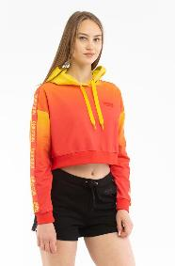 | 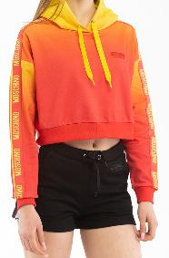 | 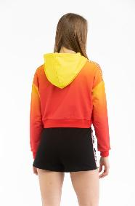 | 231V6A170644211215 | 1215 | MULTI FUCSIA | SWEATSHIRT | SWEATSHIRT | MOSCHINO UNDERWEAR WOMAN | 95% COTTON 5% ELASTANE | ADULT | FEMALE | MOSCHINO | GREECE | €132.00 | €343.20 | 2 | 3 |  |  |  | 1 | 2
221EA17160528 |  |  | 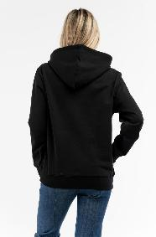 | 221EA171605281555 | 1555 | MULTI BLACK | SWEATSHIRT | MOSCHINO PRECOLL. | FELPA | 100% COTTON | ADULT | FEMALE | MOSCHINO | PORTUGAL | €183.00 | €458.00 | 1 | 1 |  |  |  |  |  |  |  |  |  |  |  |  |  |  |  |  | 1
222EV17069528 |  |  |  | 222EV170695281221 | 1221 | MULTI PINK | SWEATSHIRT | MOSCHINO PRECOLL. | SWEATSHIRT | 100% COTTON | ADULT | FEMALE | MOSCHINO | PORTUGAL | €167.00 | €418.00 | 1 | 1 |  |  |  |  |  |  |  |  |  |  |  |  |  |  |  |  |  |  | 1
222V6A17094630 | 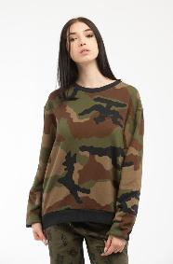 | 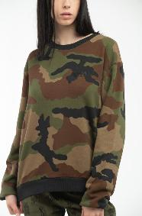 | 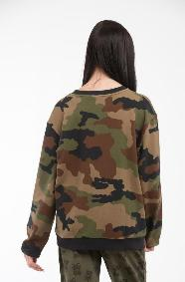 | 222V6A170946301430 | 1430 | ARMY | SWEATSHIRT | SWEATSHIRT | SWEATSHIRT | KNITTED | MASHINE WASH COLD: 30° | DONT'BLEACH: NO BLEACHING | COOL IRON: MAX 110° | NO DRY CLEAN: DO NOT DRY CLEAN | DO NOT TUMBLE DRY: NO DRUM | 97% COTTON 3% ELASTANE | ADULT | FEMALE | MOSCHINO | BULGARIA | €92.00 | €230.00 | 1 | 8 |  |  |  | 8
ZUA17029002 | 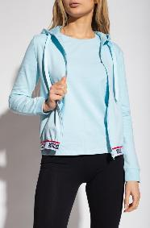 | 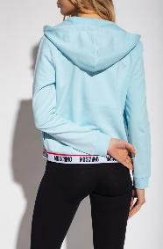 | 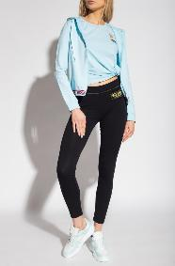 | ZUA170290020332 | 0332 | BLUE | SWEATSHIRT | SWEATSHIRT | SWEATSHIRT | MASHINE WASH COLD: 30° | DONT'BLEACH: NO BLEACHING | COOL IRON: MAX 110° | NO DRY CLEAN: DO NOT DRY CLEAN | DO NOT TUMBLE DRY: NO DRUM | 95% COTTON 5% ELASTANE | ADULT | FEMALE | MOSCHINO | GREECE | €80.50 | €201.25 | 1 | 1 |  |  |  | 1
221EA17059528 |  |  |  | 221EA170595282555 | 2555 | MULTI BLACK | SWEATSHIRT | MOSCHINO PRECOLL. | SWEATSHIRT | 100% COTTON | ADULT | FEMALE | MOSCHINO | PORTUGAL | €149.00 | €373.00 | 5 | 5 |  |  |  |  |  |  |  |  |  |  |  |  |  |  | 1 |  |  |  | 1 |  | 1 |  | 1 | 1
222EV17089528 |  |  |  | 222EV170895281221 | 1221 | MULTI PINK | SWEATSHIRT | MOSCHINO PRECOLL. | SWEATSHIRT | 100% COTTON | ADULT | FEMALE | MOSCHINO | PORTUGAL | €233.00 | €583.00 | 5 | 9 |  |  |  |  |  |  |  |  |  |  |  |  |  |  | 3 |  | 1 |  | 1 |  |  |  | 2 | 2
221EA17059528 |  |  |  | 221EA170595282001 | 2001 | MULTI WHITE | SWEATSHIRT | MOSCHINO PRECOLL. | SWEATSHIRT | 100% COTTON | ADULT | FEMALE | MOSCHINO | PORTUGAL | €149.00 | €373.00 | 4 | 7 |  |  |  |  |  |  |  |  |  |  |  |  |  |  |  |  | 1 |  | 3 |  | 2 | 1
222EA17149528 |  |  |  | 222EA171495284555 | 4555 | MULTI BLACK | SWEATSHIRT | MOSCHINO PRECOLL. | SWEATSHIRT | 100% COTTON | ADULT | FEMALE | MOSCHINO | PORTUGAL | €210.00 | €525.00 | 4 | 7 |  |  |  |  |  |  |  |  |  |  |  |  |  |  | 1 |  | 2 |  | 2 |  | 2
222EV17089528 |  |  |  | 222EV170895281555 | 1555 | MULTI BLACK | SWEATSHIRT | MOSCHINO PRECOLL. | SWEATSHIRT | 100% COTTON | ADULT | FEMALE | MOSCHINO | PORTUGAL | €233.00 | €583.00 | 4 | 8 |  |  |  |  |  |  |  |  |  |  |  |  |  |  | 1 |  | 2 |  | 3 |  |  | 2
221EA17059528 |  |  |  | 221EA170595282206 | 2206 | MULTI FUXIA | SWEATSHIRT | MOSCHINO PRECOLL. | SWEATSHIRT | 100% COTTON | ADULT | FEMALE | MOSCHINO | PORTUGAL | €149.00 | €373.00 | 3 | 5 |  |  |  |  |  |  |  |  |  |  |  |  |  |  |  |  | 3 |  |  |  |  | 1 | 1
222EV17089528 |  |  |  | 222EV170895281001 | 1001 | MULTI WHITE | SWEATSHIRT | MOSCHINO PRECOLL. | SWEATSHIRT | 100% COTTON | ADULT | FEMALE | MOSCHINO | PORTUGAL | €233.00 | €583.00 | 2 | 3 |  |  |  |  |  |  |  |  |  |  |  |  |  |  |  |  | 2 |  |  |  |  | 1
222V1A17184330 | 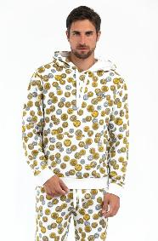 | 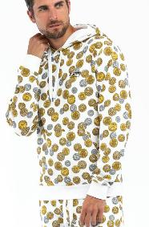 | 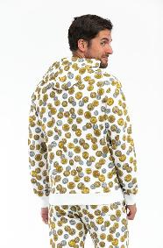 | 222V1A171843301001 | 1001 | WHITE FANTASY | SWEATSHIRT | SWEATSHIRT | SWEATSHIRT | KNITTED | 95% COTTON 5% ELASTANE | ADULT | MALE | MOSCHINO | GREECE | €112.50 | €281.25 | 6 | 12 |  |  | 2 | 2 | 1 | 4 | 2 | 1
222V1A17184330 | 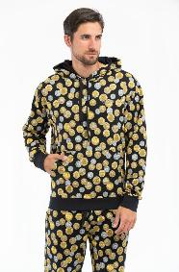 | 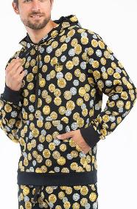 | 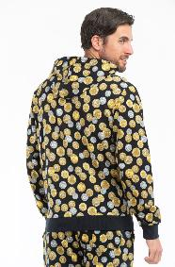 | 222V1A171843301555 | 1555 | BLACK FANTASY | SWEATSHIRT | SWEATSHIRT | SWEATSHIRT | KNITTED | 95% COTTON 5% ELASTANE | ADULT | MALE | MOSCHINO | GREECE | €112.50 | €281.25 | 6 | 27 |  |  | 4 | 8 | 5 | 6 | 1 | 3
222ZRA17197028 | 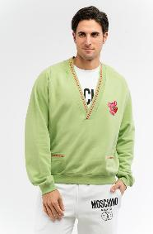 | 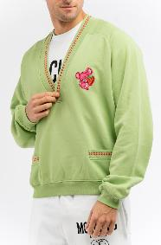 |  | 222ZRA171970281397 | 1397 | MULTI GREEN | SWEATSHIRT | MOSCHINO UOMO PRECOLL. | SWEATSHIRT | 100% COTTON | ADULT | MALE | MOSCHINO | PORTUGAL | €198.00 | €495.00 | 6 | 18 |  |  |  |  |  |  |  |  |  |  |  |  |  |  |  |  |  |  |  |  |  | 7 | 2 | 1 | 1 | 2 | 5
222ZRV17169028 |  |  |  | 222ZRV171690281001 | 1001 | MULTI WHITE | SWEATSHIRT | MOSCHINO UOMO PRECOLL. | SWEATSHIRT | 100% COTTON | ADULT | MALE | MOSCHINO | PORTUGAL | €198.00 | €495.00 | 6 | 19 |  |  |  |  |  |  |  |  |  |  |  |  |  |  |  |  |  |  |  |  |  |  | 2 | 7 | 4 | 3 | 2 | 1
221ZPA17049028 |  |  |  | 221ZPA170490289063 | 9063 | MULTI ORANGE | SWEATSHIRT | MOSCHINO UOMO PRECOLL. | SWEATSHIRT | 100% COTTON | ADULT | MALE | MOSCHINO | ITALY | €138.00 | €345.00 | 5 | 28 |  |  |  |  |  |  |  |  |  |  |  |  |  |  |  |  |  |  |  |  |  | 3 | 4 | 5 | 6 | 10
222V1A17024314 |  |  |  | 222V1A170243141555 | 1555 | BLACK FANTASY | SWEATSHIRT | SWEATSHIRT | SWEATSHIRT | KNITTED | 95% COTTON 5% ELASTANE | ADULT | MALE | MOSCHINO | BULGARIA | €87.50 | €218.75 | 5 | 5 |  |  |  | 1 | 1 | 1 | 1 | 1
222V1A17174330 |  |  |  | 222V1A171743301555 | 1555 | BLACK FANTASY | SWEATSHIRT | SWEATSHIRT | SWEATSHIRT | KNITTED | 95% COTTON 5% ELASTANE | ADULT | MALE | MOSCHINO | GREECE | €92.00 | €230.00 | 5 | 44 |  |  | 1 | 10 | 14 | 18 | 1
222ZRJ17119028 |  |  |  | 222ZRJ171190282555 | 2555 | MULTI BLACK | SWEATSHIRT | MOSCHINO UOMO PRECOLL. | SWEATSHIRT | 100% COTTON | ADULT | MALE | MOSCHINO | PORTUGAL | €210.00 | €525.00 | 5 | 11 |  |  |  |  |  |  |  |  |  |  |  |  |  |  |  |  |  |  |  |  |  | 1 | 3 | 4 |  |  | 1 | 2
222ZRV17169028 |  |  |  | 222ZRV171690281187 | 1187 | MULTI PINK | SWEATSHIRT | MOSCHINO UOMO PRECOLL. | SWEATSHIRT | 100% COTTON | ADULT | MALE | MOSCHINO | PORTUGAL | €198.00 | €495.00 | 5 | 13 |  |  |  |  |  |  |  |  |  |  |  |  |  |  |  |  |  |  |  |  |  | 1 | 4 | 3 | 3 | 2
1A17128102 |  |  |  | 1A171281020555 | 0555 | BLACK | SWEATSHIRT | SWEATSHIRT | SWEATSHIRT | MASHINE WASH COLD: 30° | DONT'BLEACH: NO BLEACHING | COOL IRON: MAX 110° | NO DRY CLEAN: DO NOT DRY CLEAN | DO NOT TUMBLE DRY: NO DRUM | 95% COTTON 5% ELASTANE | ADULT | MALE | MOSCHINO | GREECE | €99.00 | €247.50 | 4 | 4 |  |  |  |  | 1 | 1 | 1 | 1
221ZA17249228 |  |  |  | 221ZA172492281001 | 1001 | MULTI WHITE | SWEATSHIRT | MOSCHINO UOMO | SWEATSHIRT | 100% COTTON | ADULT | MALE | MOSCHINO | ITALY | €190.00 | €475.00 | 4 | 7 |  |  |  |  |  |  |  |  |  |  |  |  |  |  |  |  |  |  |  |  |  |  | 2 | 3 | 1 | 1
222ZRJ17119028 |  |  |  | 222ZRJ171190282397 | 2397 | MULTI GREEN | SWEATSHIRT | MOSCHINO UOMO PRECOLL. | SWEATSHIRT | 100% COTTON | ADULT | MALE | MOSCHINO | PORTUGAL | €210.00 | €525.00 | 4 | 5 |  |  |  |  |  |  |  |  |  |  |  |  |  |  |  |  |  |  |  |  |  | 1 | 2 | 1 |  | 1
231V3A17119433 |  |  |  | 231V3A171194331215 | 1215 | MULTI FUCSIA | SWEATSHIRT | HOODIE | MOSCHINO SWIM MAN | 95% COTTON 5% ELASTANE | ADULT | MALE | MOSCHINO | GREECE | €124.00 | €322.40 | 4 | 8 |  |  |  | 2 | 2 | 2 | 2
1A17078102 |  |  |  | 1A170781020332 | 0332 | BLUE | SWEATSHIRT | SWEATSHIRT | SWEATSHIRT | 95% COTTON 5% ELASTANE | ADULT | MALE | MOSCHINO | GREECE | €106.00 | €265.00 | 3 | 5 |  |  |  |  | 1 | 2 | 2
1A17078104 |  |  |  | 1A170781040489 | 0489 | GREY | SWEATSHIRT | FELPA ZIP CAPPUCCIO | FELPA ZIP CAPPUCCIO | MASHINE WASH COLD: 30° | DONT'BLEACH: NO BLEACHING | COOL IRON: MAX 110° | NO DRY CLEAN: DO NOT DRY CLEAN | DO NOT TUMBLE DRY: NO DRUM | 95% COTTON 5% ELASTANE | ADULT | MALE | MOSCHINO | BULGARIA | €106.00 | €265.00 | 3 | 3 |  |  |  | 1 | 1 | 1
1A17098110 |  |  |  | 1A170981101430 | 1430 | VERDE | SWEATSHIRT | SWEATSHIRT | SWEATSHIRT | 95% COTTON 5% ELASTANE | ADULT | MALE | MOSCHINO | BULGARIA | €99.00 | €247.50 | 3 | 3 |  |  |  |  | 1 | 1 | 1
1A17128102 |  |  |  | 1A171281020489 | 0489 | GREY | SWEATSHIRT | SWEATSHIRT | SWEATSHIRT | MASHINE WASH COLD: 30° | DONT'BLEACH: NO BLEACHING | COOL IRON: MAX 110° | NO DRY CLEAN: DO NOT DRY CLEAN | DO NOT TUMBLE DRY: NO DRUM | 95% COTTON 5% ELASTANE | ADULT | MALE | MOSCHINO | GREECE | €99.00 | €247.50 | 3 | 6 |  |  | 4 |  | 1 | 1
221ZPA17049028 |  |  |  | 221ZPA170490289001 | 9001 | MULTI WHITE | SWEATSHIRT | MOSCHINO UOMO PRECOLL. | SWEATSHIRT | 100% COTTON | ADULT | MALE | MOSCHINO | ITALY | €138.00 | €345.00 | 3 | 6 |  |  |  |  |  |  |  |  |  |  |  |  |  |  |  |  |  |  |  |  |  |  | 2 | 2 | 2
222V1A17034323 |  |  |  | 222V1A170343230555 | 0555 | BLACK | SWEATSHIRT | SWEATSHIRT | SWEATSHIRT | KNITTED | MASHINE WASH COLD: 30° | DONT'BLEACH: NO BLEACHING | COOL IRON: MAX 110° | NO DRY CLEAN: DO NOT DRY CLEAN | DO NOT TUMBLE DRY: NO DRUM | 95% COTTON 5% ELASTANE | ADULT | MALE | MOSCHINO | BULGARIA | €85.00 | €212.50 | 3 | 5 |  |  | 2 | 2 | 1
222V1A17174330 |  |  |  | 222V1A171743301001 | 1001 | WHITE FANTASY | SWEATSHIRT | SWEATSHIRT | SWEATSHIRT | KNITTED | 95% COTTON 5% ELASTANE | ADULT | MALE | MOSCHINO | GREECE | €92.00 | €230.00 | 3 | 3 |  |  | 1 | 1 | 1
222V1A17184330 |  |  |  | 222V1A171843301302 | 1302 | SKY BLUE FANTASY | SWEATSHIRT | SWEATSHIRT | SWEATSHIRT | KNITTED | 95% COTTON 5% ELASTANE | ADULT | MALE | MOSCHINO | GREECE | €112.50 | €281.25 | 3 | 6 |  |  |  | 2 | 2 | 2
222ZRV17169028 |  |  |  | 222ZRV171690281298 | 1298 | MULTI BLUE | SWEATSHIRT | MOSCHINO UOMO PRECOLL. | SWEATSHIRT | 100% COTTON | ADULT | MALE | MOSCHINO | PORTUGAL | €198.00 | €495.00 | 3 | 3 |  |  |  |  |  |  |  |  |  |  |  |  |  |  |  |  |  |  |  |  |  | 1 | 1 | 1
222ZZA17135227 |  |  |  | 222ZZA171352271278 | 1278 | MULTI BLUE | SWEATSHIRT | MOSCHINO UOMO | SWEATSHIRT | 100% COTTON | ADULT | MALE | MOSCHINO | ITALY | €198.00 | €495.00 | 3 | 3 |  |  |  |  |  |  |  |  |  |  |  |  |  |  |  |  |  |  |  |  |  |  | 1 | 1 | 1
222ZZA17145227 |  |  |  | 222ZZA171452271366 | 1366 | MULTI GREEN | SWEATSHIRT | MOSCHINO UOMO | SWEATSHIRT | 100% COTTON | ADULT | MALE | MOSCHINO | ITALY | €252.00 | €630.00 | 3 | 3 |  |  |  |  |  |  |  |  |  |  |  |  |  |  |  |  |  |  |  |  |  |  | 1 | 1 |  | 1
A09177002 |  |  |  | A091770023244 | 3244 | VIOLET | SWEATSHIRT | SWEATSHIRT | CHECKED HOODIE | 100% COTTON | ADULT | MALE | MOSCHINO | PORTUGAL | €188.00 | €470.00 | 3 | 3 |  |  |  |  |  |  |  |  |  |  |  |  |  |  |  |  |  |  |  |  |  |  | 1 | 1 |  | 1
1A17068102 |  |  |  | 1A170681020555 | 0555 | BLACK | SWEATSHIRT | SWEATSHIRT | SWEATSHIRT | MASHINE WASH COLD: 30° | DONT'BLEACH: NO BLEACHING | COOL IRON: MAX 110° | NO DRY CLEAN: DO NOT DRY CLEAN | DO NOT TUMBLE DRY: NO DRUM | 95% COTTON 5% ELASTANE | ADULT | MALE | MOSCHINO | GREECE | €76.00 | €190.00 | 2 | 2 |  |  |  |  | 1 | 1
1A17068102 |  |  |  | 1A170681020489 | 0489 | GREY | SWEATSHIRT | SWEATSHIRT | SWEATSHIRT | MASHINE WASH COLD: 30° | DONT'BLEACH: NO BLEACHING | COOL IRON: MAX 110° | NO DRY CLEAN: DO NOT DRY CLEAN | DO NOT TUMBLE DRY: NO DRUM | 95% COTTON 5% ELASTANE | ADULT | MALE | MOSCHINO | GREECE | €76.00 | €190.00 | 1 | 1 |  |  |  | 1
222V1A17014314 |  |  |  | 222V1A170143141555 | 1555 | BLACK FANTASY | SWEATSHIRT | SWEATSHIRT | SWEATSHIRT | KNITTED | MASHINE WASH COLD: 30° | DONT'BLEACH: NO BLEACHING | COOL IRON: MAX 110° | NO DRY CLEAN: DO NOT DRY CLEAN | DO NOT TUMBLE DRY: NO DRUM | 95% COTTON 5% ELASTANE | ADULT | MALE | MOSCHINO | BULGARIA | €112.50 | €281.25 | 1 | 12 |  |  |  |  |  | 12
231V1A17064421 |  |  |  | 231V1A170644211396 | 1396 | MULTI GREEN | SWEATSHIRT | SWEATSHIRT | MOSCHINO UNDERWEAR MAN | 95% COTTON 5% ELASTANE | ADULT | MALE | MOSCHINO | GREECE | €127.00 | €330.20 | 1 | 1 |  |  |  |  | 1
232V1A17164417 |  |  |  | 232V1A171644171001 | 1001 | MULTI WHITE | SWEATSHIRT | SWEATSHIRT | MOSCHINO UNDERWEAR UOMO | 60% POLYAMIDE 40% COTTON | ADULT | MALE | MOSCHINO | BULGARIA | €127.00 | €330.20 | 1 | 1 |  |  |  |  | 1
1A17268107 |  |  |  | 1A172681071489 | 1489 | GREY MELANGE | SWEATSHIRT | SWEATSHIRT | SWEATSHIRT | 95% COTTON 5% ELASTANE | ADULT | MALE | MOSCHINO | BULGARIA | €85.00 | €212.50 | 1 | 1 |  |  |  | 1
222V6A17074627 |  |  |  | 222V6A170746271555 | 1555 | BLACK FANTASY | DRESS-SWEATSHIRT | SWEATSHIRT | SWEATSHIRT | KNITTED | 95% COTTON 5% ELASTANE | ADULT | FEMALE | MOSCHINO | GREECE | €108.00 | €270.00 | 1 | 1 |  |  |  |  | 1

